Sheet1
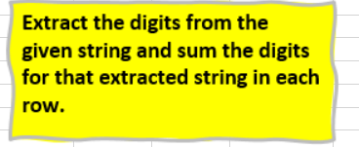
String
a12gh I 5 @ #
0ui^12965
pqw%^*
97531
a1b2c3d45
a1 b6 c9 d4
%6%
4 5 6 7
0@130&xyz2

